Instruction screen authoring
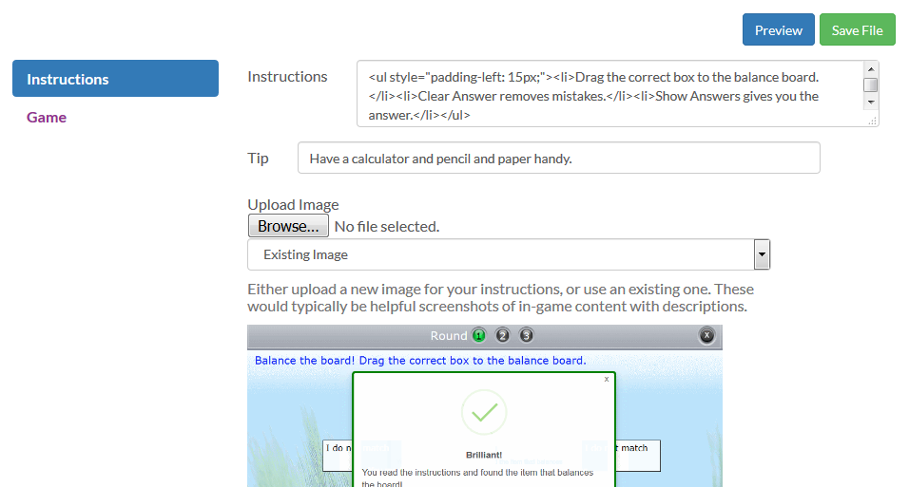
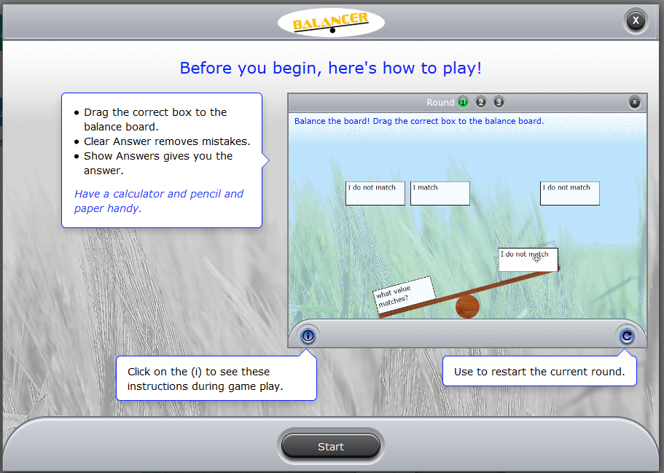
Game instruction screen authoring

All games use the same template for authoring the game instruction page. To author game instructions:

1. Click the Edit button in CAMPER to load the authoring template.
2. Click "Instructions" in the authoring template left navigation.
3. Copy and paste the appropriate game-specific instruction text from the Game instruction text document into the instructions field--include the html for formatting.
4. Add a tip as desired.
5. Click the Browse button to find and upload the appropriate game-specific animated gif file provided in the game authoring directory.
6. Click the blue Preview button at the top of the authoriing template to see how your changes look.
7. Click the green Save button to save the file

Instructions text and animated gif files are in a directory called "Instruction page_Text and animations"

Game rounds overview
Game rounds overview

All game rounds share the basic components shown here.
The game authoring templates have a section for each of the basic components, although for some games, the Values and Answer sections are combined together.
 |  | Sample authoring template:

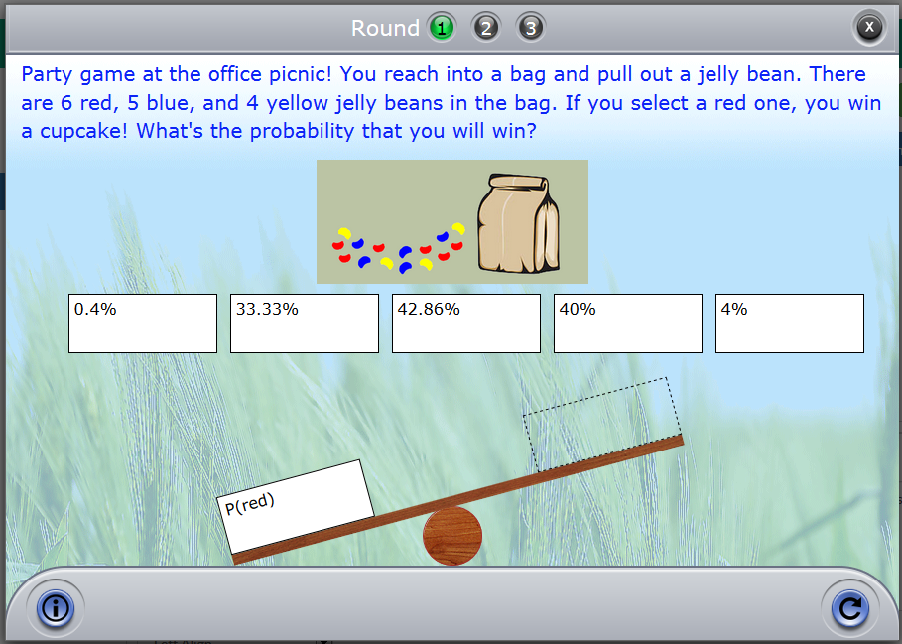
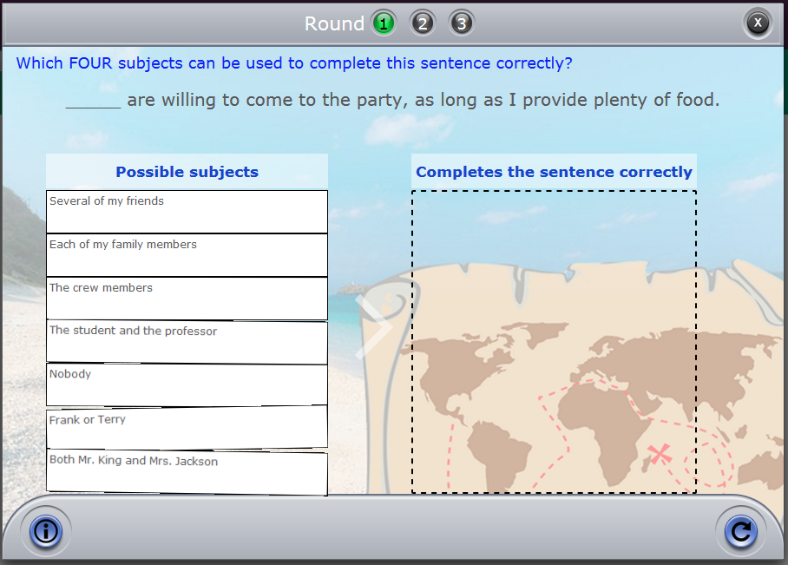
 | Number of rounds indicator

 | Instructions
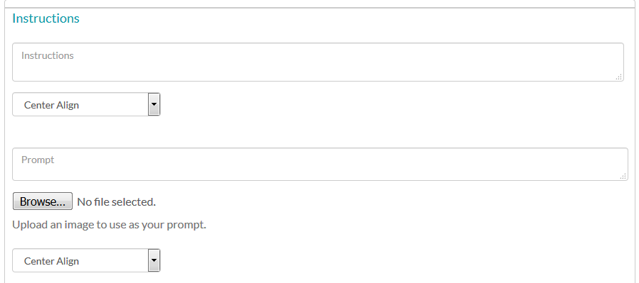

 | Prompt (text or image)

 | Values

 | Answer (s)

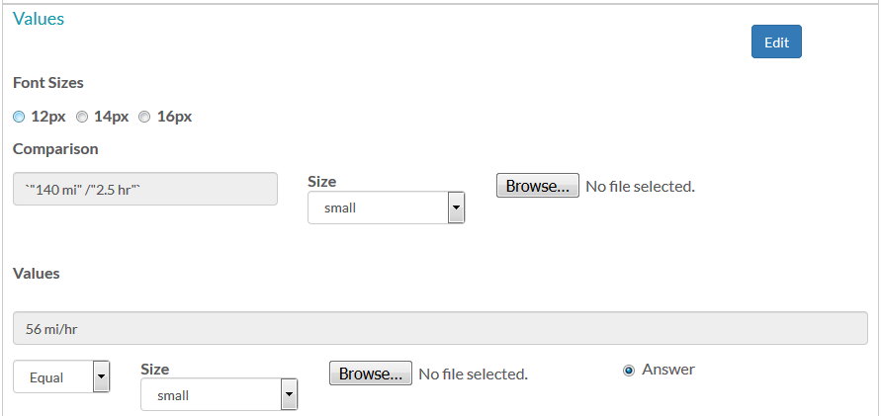

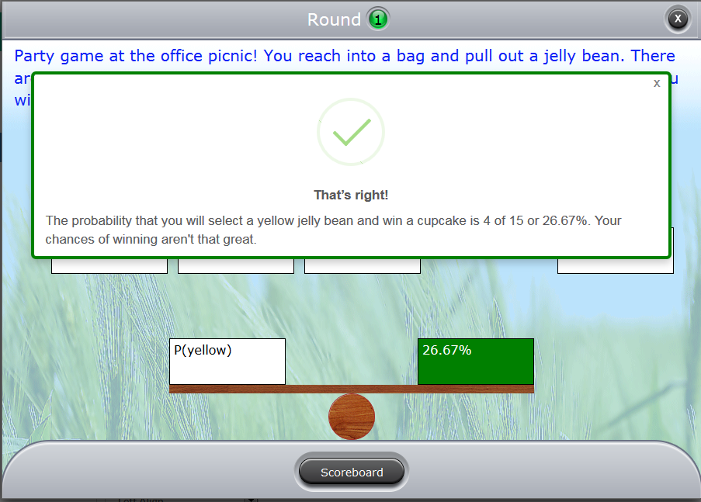
 | Correct Feedback

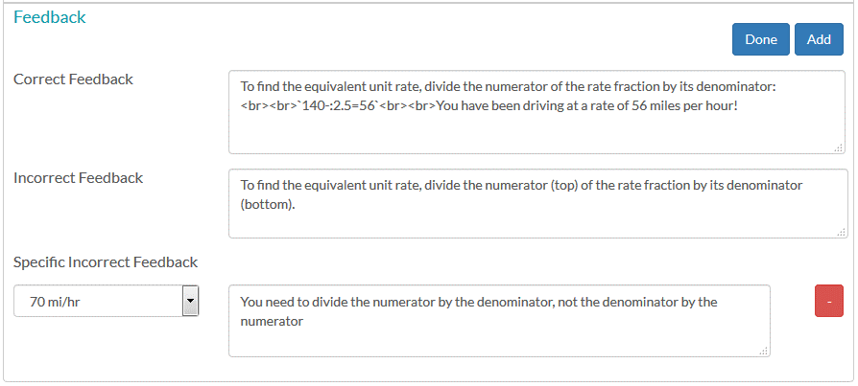
 | Specific Incorrect Feedback

 | General Incorrect Feedback

Basic component authoring
To author a game round:

1. Click the Edit button in CAMPER to load the authoring template. Make sure that "Game" is selected in the template's left navigation:

2. Choose "Add Round" from the Round Options menu to add a new round OR choose "Copy Round" from the Round Options menu to copy and edit a round that was already authored.
3. Fill out the fields in the authoring template as described below. See the game-specific tabs for additional information.
4. Choose "Preview Round" from the Round Options menu to view the current round.
5. Click the green Save File button to save the file. Click the blue Preview button to preview the entire game--clicking the blue Preview button from the Game page will skip the Instructions screen.
6. If you need to reorder your rounds, use "Copy Round" to copy the rounds in the order you desire, and then choose "Delete Round" from the Round Options menu to delete the original rounds.

Basic component authoring
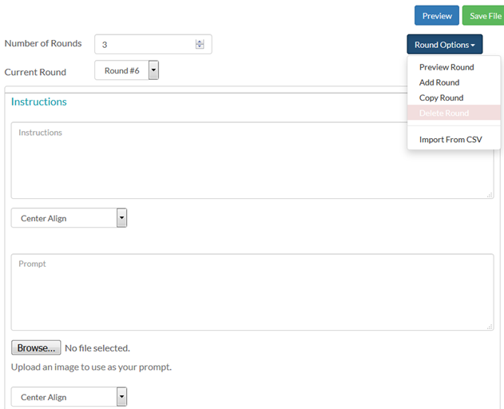
Round Instructions | Enter the desired text for the blue instructions that appear at the top of each game round into the template Instructions field.
 | You can choose the horizontal alignment of the instruction text. Some games allow you to choose the instruction text size. If no size is specified, the game uses the default.
 | The Instructions field supports html, so you can control text size and color manually and even add tables.
 | You can also include links using two different syntaxes:
 | 1 | <popup href="S3_BUCKET_/docs/game+pop-up.PNG" width="150" height="150">specific height</popup>
 |  | Note: If you do not specify a pop-up size for a link, the default is 800 x 600
 |  | In this case the link style will be plain text and a fixed small size.
 | 2 | <a href="S3_BUCKET_/docs/game+pop-up.PNG" onclick="window.open(this.href, '', 'dependent=yes,width=825,left=100,height=750,top=50'); return false;">onclick version</a>
 |  | In this case, the link style will be bold and large. There is a class called game-popup that will make the onclick links look like the popup links (<a class="game-popup" href="https://s3.)
 | The site will replace S3_BUCKET_ with the site URL you have specified in the JUICE config file
Prompt text or image | Enter the prompt text that appears in gray underneath the instructions into the template Prompt field, or upload an image from your hard drive by clicking the Browse button.
(optional) | The prompt can be either text or an image and appears below the instructions.
 | Prompt text is dark gray and is indented slightly. #59595b;
 | You can choose the alignment for prompt text.
 | The Prompt field supports html so you can also control the size and color.
 | If you use an image, it will automatically resize to fit a max size in most games.
 | Images should be horizontal and 50 to 100 px tall in all games except for Stacker. Stacker supports square images.
 | To add an image, click Browse and select a file to add from your machine's hard drive. This will embed the image in the game.
 | Caution! The file name shown next to the browse button in most games is buggy. Ignore it! Preview the game to see what image has been uploaded.
 | Another caution! If you do not enter a prompt and see the value "undefined" when you preview a round, type a space character in the prompt area.

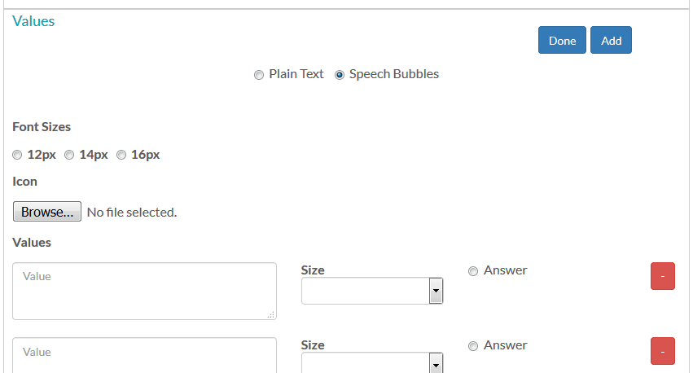
Answer values | Answer values are the items that the student uses to create an answer. They take different forms in each game.
 | You specify answer values in the Values area of the template. See the game-specific authoring tab for specific information on authoring values for each game.
 | The authoring template loads showing a blue Edit button in the top right of the Values area. Click Edit to edit values--this will display the Add and Done buttons.
 | Click Add to add values, and Done when you are done.
 | Click the red minus sign to remove a value.
 | In a number of games, values appear in the game UI in a box--in these games, you can control the box size.
 | In most games you can choose a font size for the values. If no size is selected, the game uses the default.
 | Value fields support html, which gives you additional control over font size and other formatting.

Answers | The method for specifying correct and incorrect answers varies for each game.
 | In some games, this information is part of the Values defintion, while other games have a separate template area.
 | See the game-specific authoring tabs for more information.

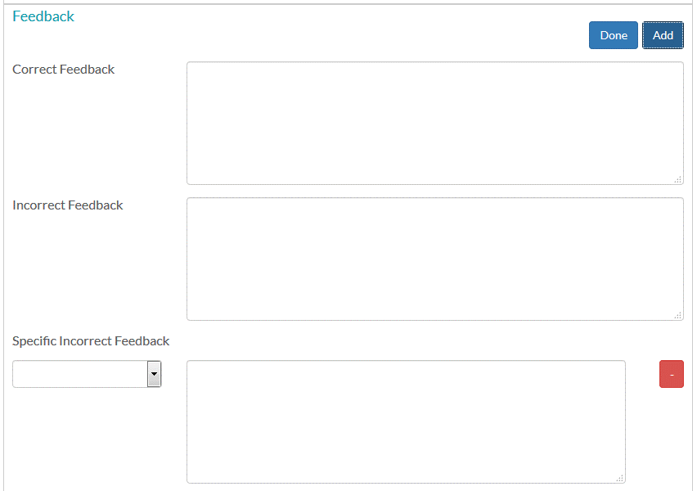
Feedback | Enter the feedback you want the students to see in the Feedback fields.
 | All games offer "general" Correct and Incorrect feedback.
 | General Correct Feedback displays for any correct answer. General Incorrect Feedback displays for any wrong answer with no specific feedback defined.
 | Many games also offer specific incorrect feedback--this is feedback based on a specific answer selection. If defined, this will over-ride the general incorrect feedback.
 | Click Edit to change existing values, Add to add specific incorrect feedback, and Done when you are done.
 | Click the red minus sign to remove specific incorrect feedback.
 | To define answer-specific incorrect feedback in most games, choose the answer value from the dropdown and then enter the desired feedback.
 | The Feedback fields support html, which gives you additional control over font size and other formatting.

Finders Keepers
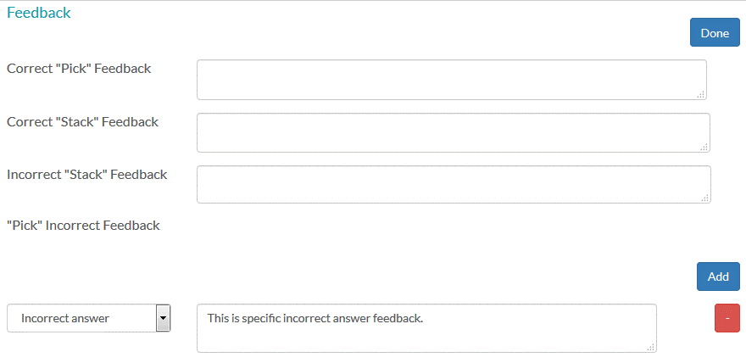
Template area | Special functionality for Finders Keepers

This game is a variation of Pick and Stack and uses the same authoring template. In Pick and Stack, the users first pick answers, and then must stack them in the correct order.
In Finders Keepers, they only need to pick the correct answers.

Values | Enter a name for the stack users pick from and the stack they add to in the Picker Title and Stacker Title fields

Answers | Make sure the "Disregard Order" checkbox is checked. This setting means that the order of the answers in the stack does not matter.

 | Click Add to choose the correct answers. The answer dropdown will show the list of answers added in the Values section.
 | Add one dropdown for each correct answer.

Feedback | All of the Stack feedback input fields are NA when "Disregard Order" is checked.

 | There is no specific feedback for selecting an individual correct answer--the game displays a default "Good job, keep going!" message.

 | There IS feedback that displays when ALL of the correct answers are selected. Enter this in the "Correct Pick feedback" field.

 | There is no general feedback for picking the wrong answer. You must enter answer specific feedback.
 | Click Add under "Pick Incorrect Feedback" to add answer specific incorrect feedback for picking the wrong answer.

Fix it
Template area | Special functionality for Fix it
Values | This is called the "Problem" area in Fix it! Follow the instructions in the game template to enter the text that users need to fix.

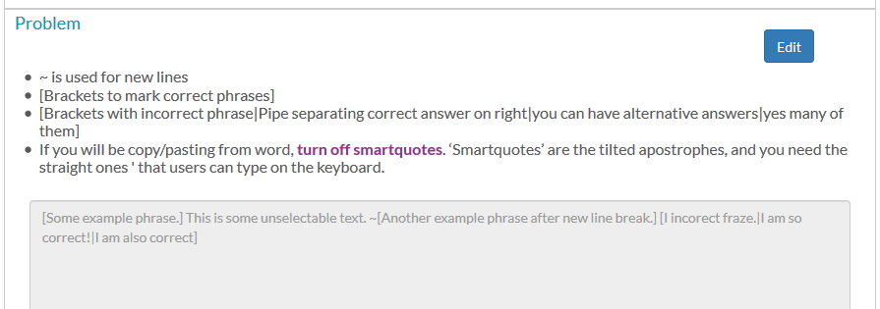

Answers | Answers are defined in the "Problem" area text. See the instructions included on the template.

Feedback | Fix it! only supports general correct and incorrect feedback. Ignore the specific incorrect feedback area--it does not do anything.

Fridge magnets
Template area | Special functionality for Fridge magnets
Prompt | The prompt area is called "Example" in Fridge magnets.

Values, Distractors, and Answers | Use the Values input field to enter the values that make up the correct answer, and any alternate correct answers. The template has detailed formatting instructions.

 | Use the Distractors input field to add extra incorrect magnets to the bank of magnets.

 | To specify feedback for a specific wrong answer combination of magnets, click Add at the top of the feedback area. This adds a dropdown and an Add Answer button in the Specific Incorrect Feedback area.


 | Click the Add Answer button and choose a magnet value from the dropdown. Then, click Add Answer again to add another dropdown. Repeat until your desired combination is completed.
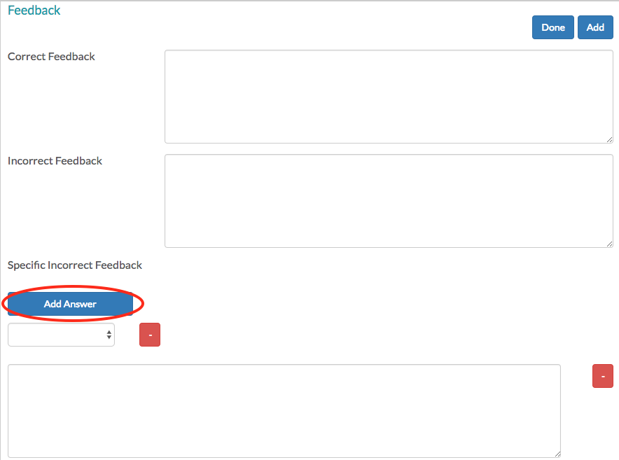

 | Click Add at the top of the feedback area to specify feedback for another specific magnet combination.

Highlighter
Template area | Special functionality for Highlighter
Note: This game is called "Spotlight" in the site.

Values | This is called the "Problem" area in Highlighter. Follow the instructions in the game template to enter the text that users need to fix.

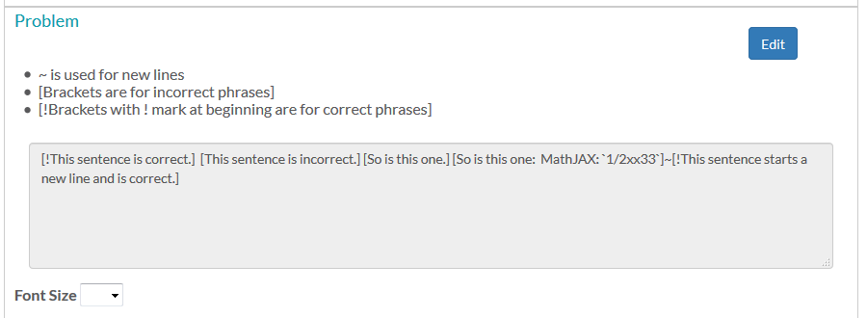

Answers | Answers are defined in the "Problem" area text. See the instructions included on the template.

Feedback | Highlighter only supports general correct and incorrect feedback. Ignore the specific incorrect feedback area--it does not do anything.

Pick and Stack
Template area | Special functionality for Pick and Stack

This game uses the same authoring template as Finders Keepers. In Pick and Stack, the users first pick answers, and then must stack them in the correct order.
In Finders Keepers, they only need to pick the correct answers.

Values | Enter a name for the stack users pick from and a name for the stack they add to, in the Picker Title and Stacker Title fields

Answers | Make sure the "Disregard Order" checkbox is UNCHECKED This means that the order of the answers in the stack DOES matter.

 | Click Add to choose the correct answers. The answer dropdown will show the list of answers added in the Values section.
 | Add one dropdown for each correct answer.

Feedback for Picking | When users are picking, they see an automated "correct" message or specific Pick Incorrect Feedback:

 | When they have picked all the correct answers, they see the Correct "Pick" Feedback message followed by some text that is added automatically:

 |  | The sentence beginning "Now stack each item…" is automatically added by the game.

Feedback for Stacking | When users are stacking (putting items in order), they can see the general Correct "Stack" Feedback, the general Incorrect "Stack" Feedback, or a specific "Stack" Incorrect Feedback message for a specific incorrect order.
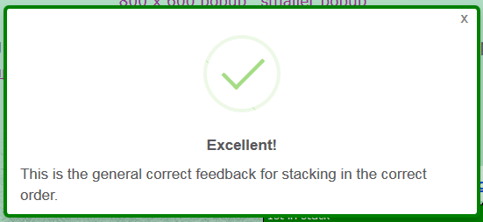

Defining Feedback | Use the input fields in the Feedback area to define all feedback types:
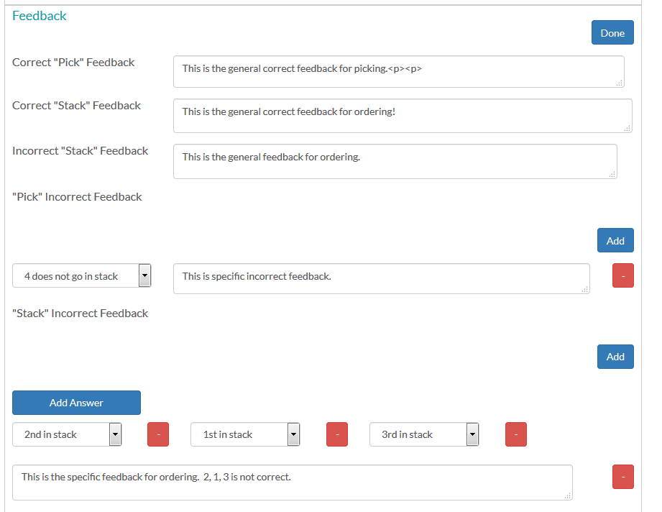

 |  | Note: Include <br><br> after the Correct "Pick" Feedback to put a line space between this message and the text that is added by the game.

 |  | Click Add under "Pick" Incorrect Feedback to add answer specific incorrect feedback for picking the wrong answer.

 |  | To specify feedback for a specific wrong answer stack order, click Add under "Stack" Incorrect Feedback. This adds a dropdown and an Add Answer button in the Stack Incorrect Feedback area.
 |  | Choose an answer value for the dropdown, and click Add Answer to add another dropdown.
 |  | Click Add at the top of the feedback area to specify feedback for another specific wrong stack order.

Puzzler
Template area | Special functionality for Puzzler
Answers | Puzzler supports multiple forms of the correct answer. To specify a correct answer, click the Add Answer Set button.
 | This adds a dropdown and Remove Answer Set, Done, and Add buttons.
 | Choose a value for the dropdown, and click Add to add another dropdown and complete the correct answer.
 | Click Add Answer Set at the top of the answer area to specify another correct answer.
 | Click Remove Answer Set to remove the last one on the list.

Feedback | To specify feedback for a specific wrong answer set, click Add at the top of the feedback area. This adds an Add Answer button in the Specific Incorrect Feedback area.
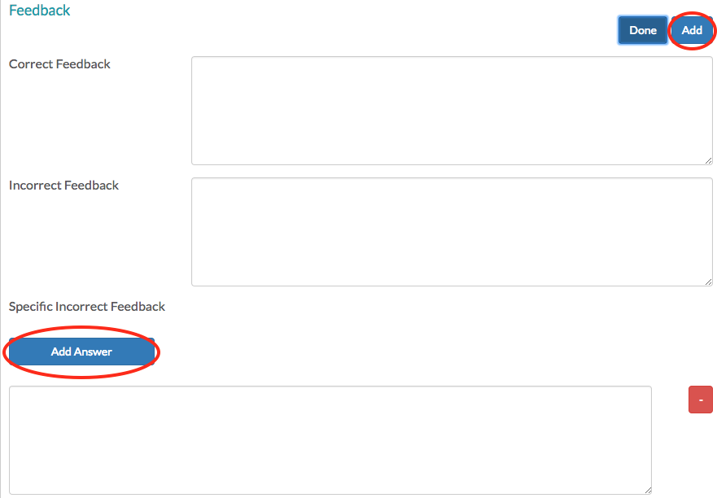

 | Click the add answer button and choose a value for the dropdown. Then, click Add Answer again to add another dropdown. Repeat until your desired answer set is completed.


 | Click Add at the top of the feedback area to specify feedback for another answer set.

 | CAUTION! Puzzler has a bug in the display of the specific incorrect feedback. The values may display as blank. The values in brackets show you what is stored in the game file.

Sorter
Template area | Special functionality for Sorter
Buckets | Use this area to specify the name of the sorting buckets. You may have either two or three buckets.

Values | The values functionality is included with the Answers area.
 | Enter text and surround values that players will be able to drag with double brackets: [[test]]
 | Use a tilde (~) to force a line break
 | Use the dropdowns below the Answers input field to say what bucket the answers go in. An answer does not have to go in a bucket…
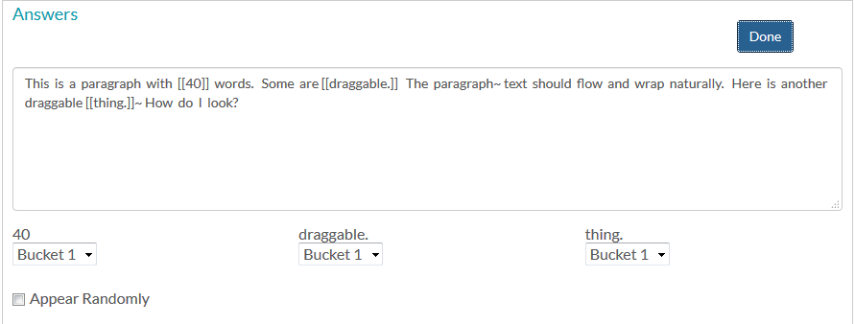

 | If your answers are a collection of words, phrases, or numbers without intervening fixed text, you can choose "Appear Randomly." This varies the order of the answers
 | If you author an item with space characters after the brackets, the spaces are perserved when the values are randomized.
 | If you have a mix of fixed text and answers and it does not look right, try using the tilde (~) to force line breaks.

Feedback | In addition to general correct and general incorrect feedback, there are a number of specific answer feedback options.
 | To add specific answer feedback, click the Add button at the top of the Feedback section
 | This will display two dropdowns. The first will list "Any" and the answer options. The second will list "Any" and the bucket names. Use this to specify feedback for the following:

 | A specific answer gets put into a specific wrong bucket.
 | A specific answer gets put into any wrong bucket.
 | Any wrong answer gets put into a specific bucket.

 | The evaluator checks the most specific case first and then keeps going through the feedback definitions. If it can't find one that matches, it shows the general incorrect feedback.
 | Careful! There is no error trapping for bad logic here!

Stacker
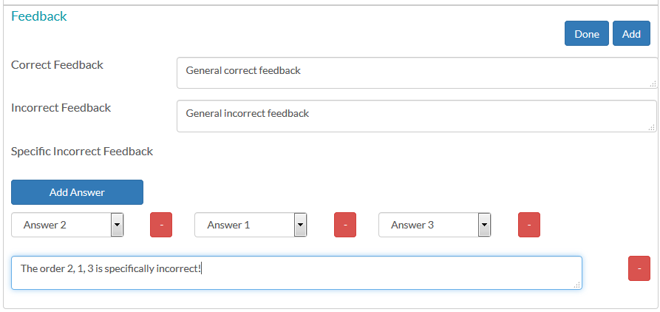
Template area | Special functionality for Stacker

Instructions | These are called "Directions" in Stacker.
 | They support html, which can be used to control text color.
 | The directions can include an image. You can create a fake matching game using a one line instruction and a large image:
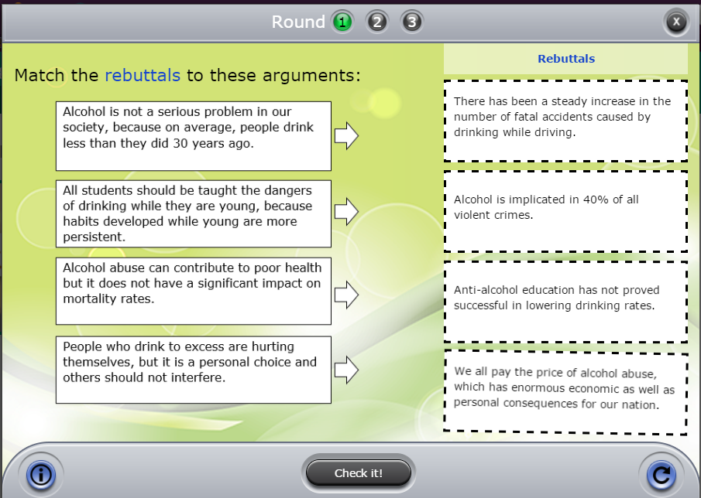

Values | Enter labels for the top and bottom of the stack using the "Scale Words" fields. Use these to tell the users the direction expected for the order of the stack.

 | Text entered in the values field is centered on the answer boxes. Use a tilde in the Values field to force a line break.

Answers | To specify answers, click Add to add an answer dropdown, and then choose the answer. The order in the template from top to bottom will be the expected order for the correct answer.

Feedback | In addition to general correct and incorrect feedback, you can specify feedback for a specific wrong answer stack order.
 | Click Add at the top of the Feedback area. This adds an Add Answer button in the Specific Incorrect Feedback area.
 | Click the Add Answer button to add a dropdown menu and choose the answer value that will be at the top of the specific wrong answer stack. Click Add Answer again to add another dropdown.
 | Keep adding dropdowns and choosing answers until you have chosen all the parts that will trigger the specific incorrect feedback.
 | Click Add at the top of the feedback area to specify feedback for another specific wrong stack order.

